Sheet1
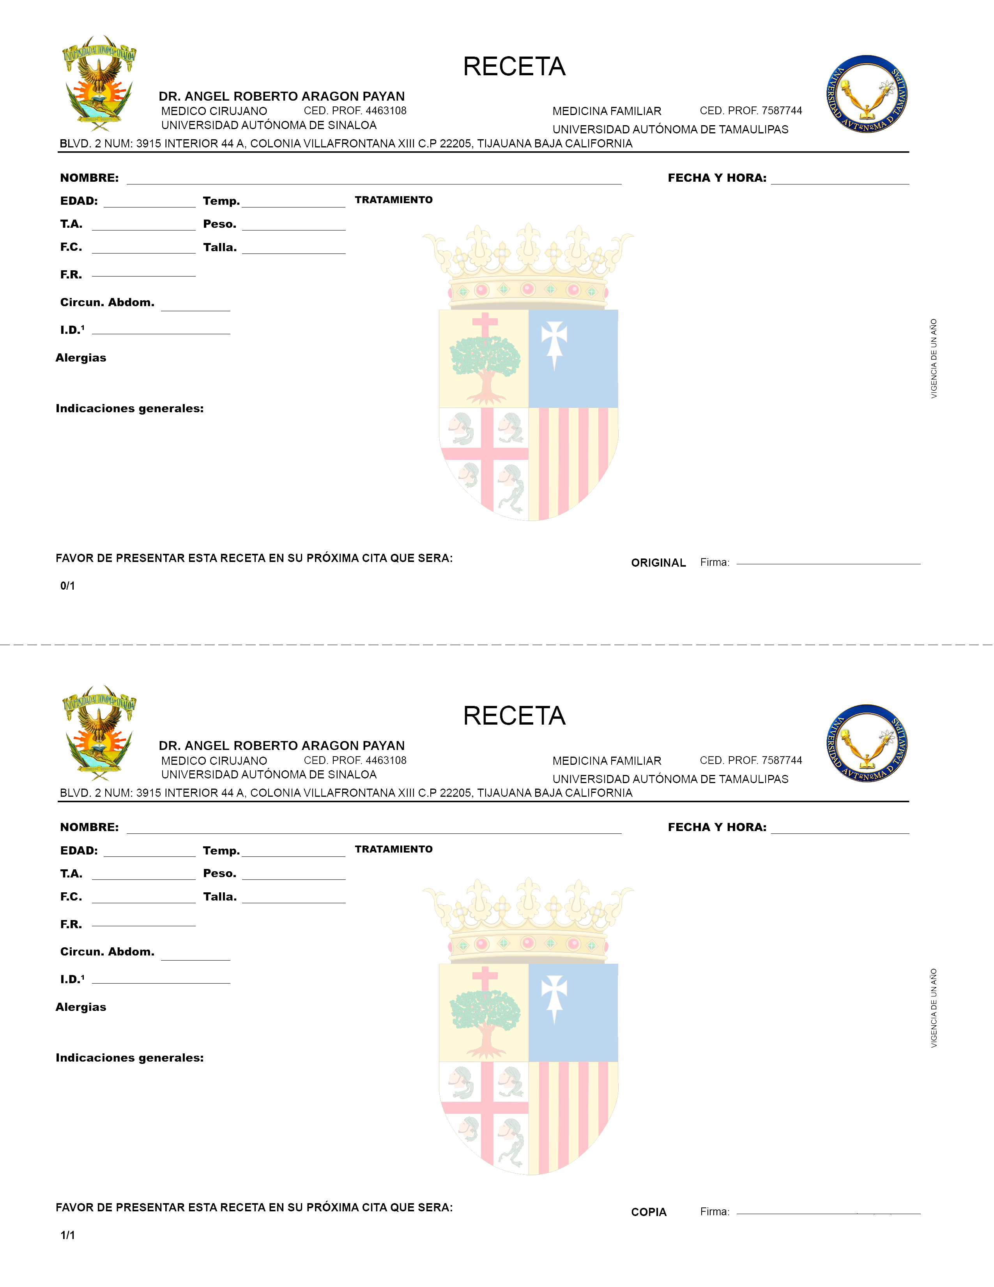

 |  | Robii Aragon |  |  |  |  |  |  | 10-06-2023

 | 20 |  |  |  |  | 90

170 |  |  |  |  |  | 70 | fsdfsdfsdfgsd

90 |  |  |  |  |  | 90

90

 |  |  |  | 90

90

 | 90

 |  |  |  |  | fkjskdf;ls

 |  |  |  |  |  |  |  | 23-06-2023

 |  | Robii Aragon |  |  |  |  |  |  | 10-06-2023

 | 20 |  |  |  |  | 90

170 |  |  |  |  |  | 70 | fsdfsdfsdfgsd

90 |  |  |  |  |  | 90

90

 |  |  | 90

90

 | 90

 |  |  |  |  | fkjskdf;ls

 |  |  |  |  |  |  |  | 23-06-2023

